Directions
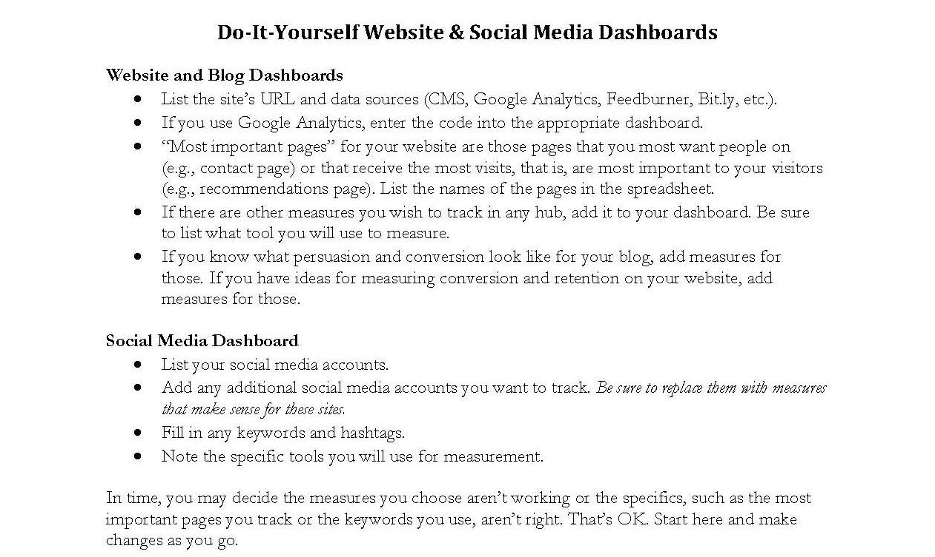

Enjoy this free resource from

Work smarter, not harder. Right Touch Editing can help!
Go to www.righttouchediting.com/editor-resources/ for free downloads!

